Sheet1
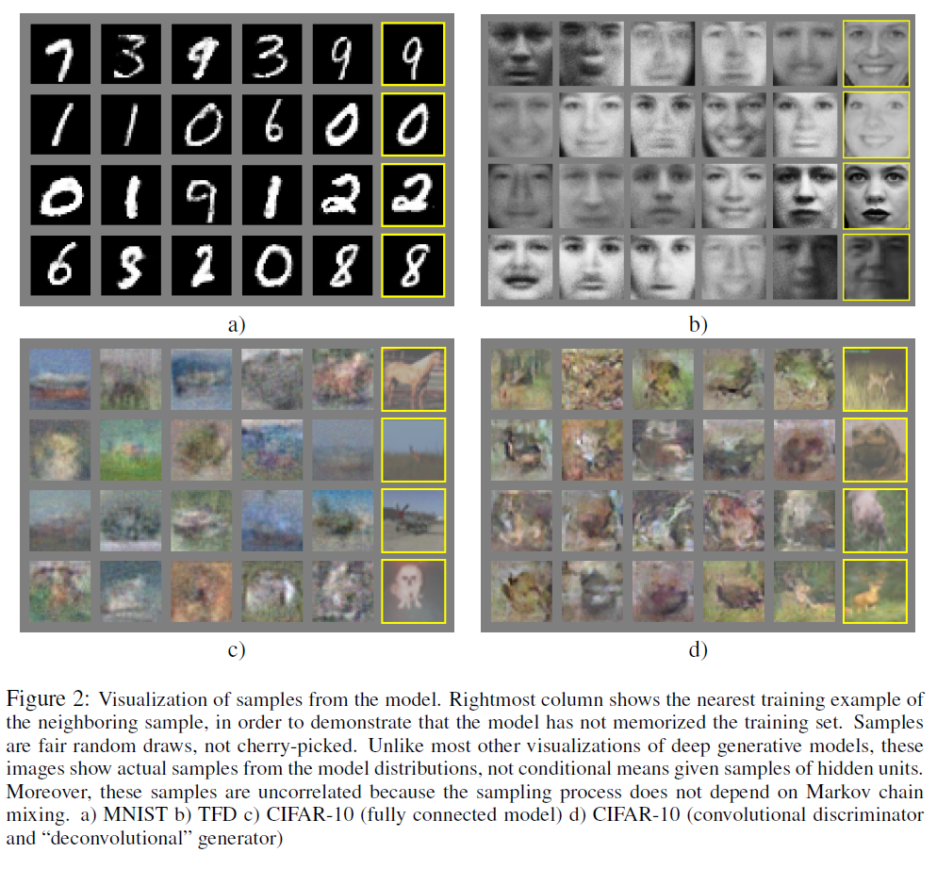
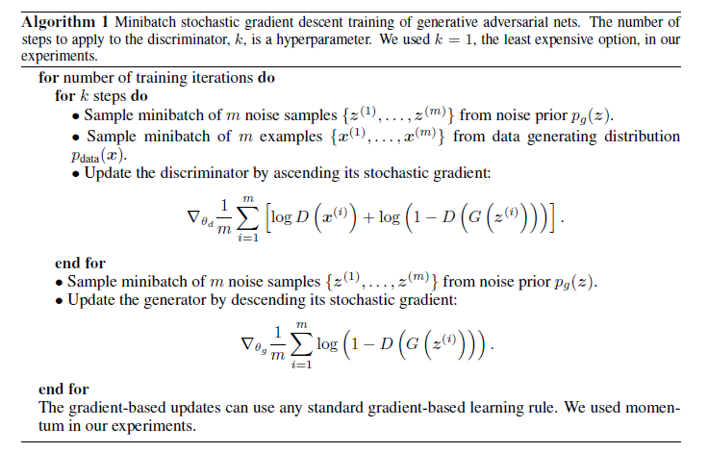
title | Generative Adversarial Nets
author | Ian J. Goodfellow, Jean Pouget-Abadiey, Mehdi Mirza, Bing Xu, David Warde-Farley, Sherjil Ozairz, Aaron Courville, Yoshua Bengiox
abstract | goal | G model should make D model take more mistakes as much as possible
 | structure | generative model G | G captures the data distribution
 |  | discriminative model D | D estimates the probability that a sample from the training data rather than G
 | framework | minimax two-player game
 | architecture | G and D models are MLP, so the system can be trained with backpropagation
 |  | no Markov chains or unrolled approximate inference networks
introduction | DL | the promise of DL is to discover rich, hierachical models and represent probality distributions over the kinds of data encountered in AI applications
 |  | deep generative models have less of an impact
 |  | the difficulty of approximating many intractable probabilistic computations that arise in maximum likelihood estimation and related strategies, and due to difficulty of leveraging the benefits of piecewise linear units in the generative context
 | generative | G is a MLP, input is random noise
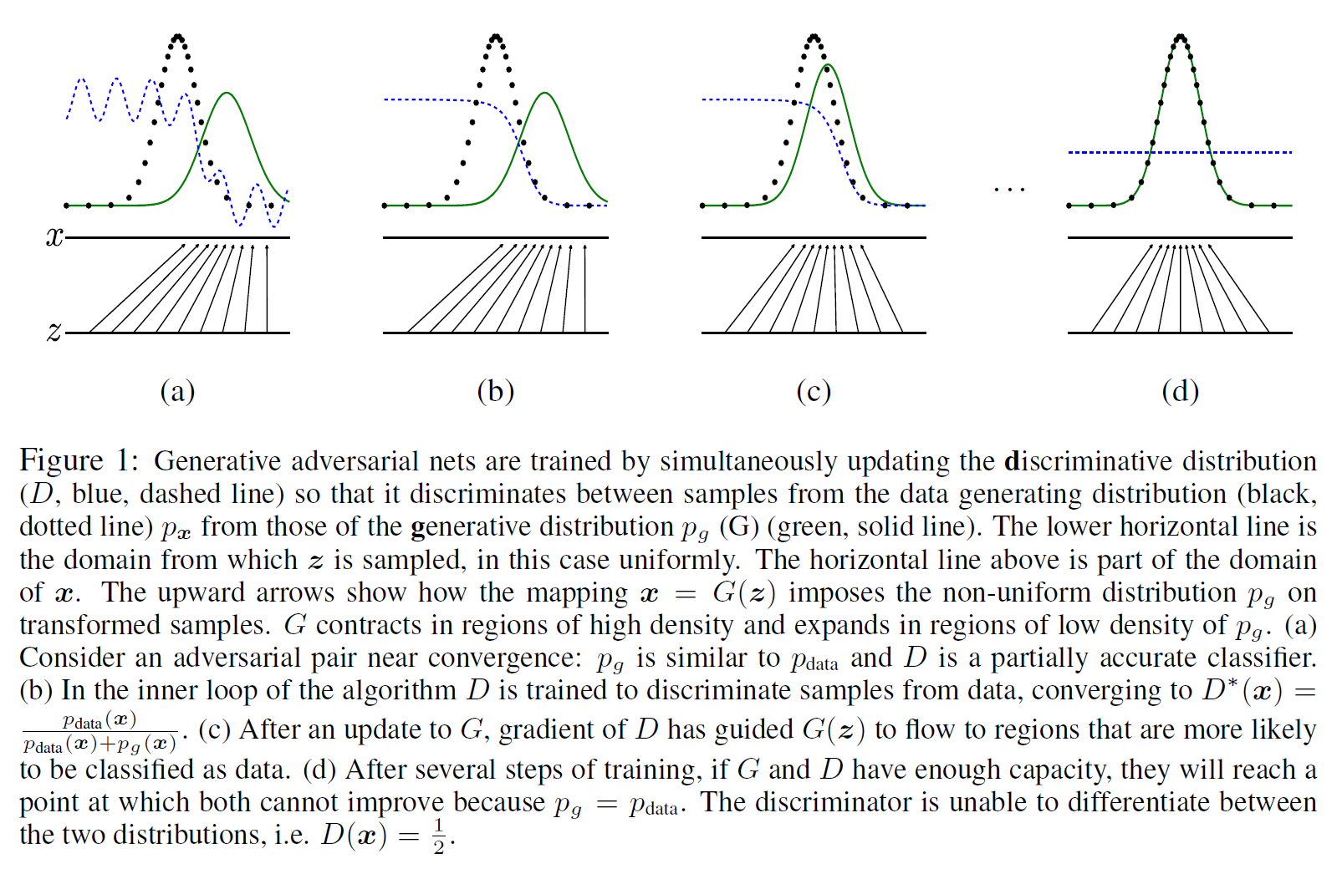
 |  | D is also a MLP
related work | difficulty | likelihood functions are hard to be trained
 | generative | advantage: easy to be trained
 |  | disadvantage: don't know the distribution of the result
 | similar methods | VAEs
 |  | NCE
 | adversarial examples can generate samples that can test models
adversarial nets | parameters | generator's distribution: pg voer data x
 |  | prior on input noise: pz(z)
 |  | mapping data space: G(z; θg)
 |  | differentiable function represented by a MLP with parameters θg: G
 |  | probability that x came from the data rather than pg: D(x; θd)
 |  | output of D: a single scalar (probability)
 | goal | train G to minimize log(1-D(G(z)))
 | value function | minG maxD V(D, G) = E{logD(x)} + E{log(1-D(G(z)))}
 |  | the first item is based on real distribution x
 |  | the second item is based on random noise z
theoretical results | global optimality | D*g(x) = pdata(x)/(pdata(x) + pg(x))
 |  | optimality of G is D*g(x) = 1/2
 |  | x = g(z), so V(D, G) = ∫(pdata(x)log(D(x)) + pg(x)log(1-D(x)))dx
 |  | C(G) = maxD V(G, D) =-log4 + KL(pdata || (pdata + pg) / 2) + KL(pg || (pdata + pg) / 2) -log4 + 2JSD(pdata || pg)
 |  | JSD: Jensen-Shannon divergence
experiments and results | in the figures

